Q-1
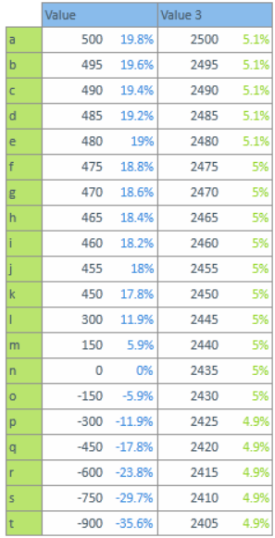
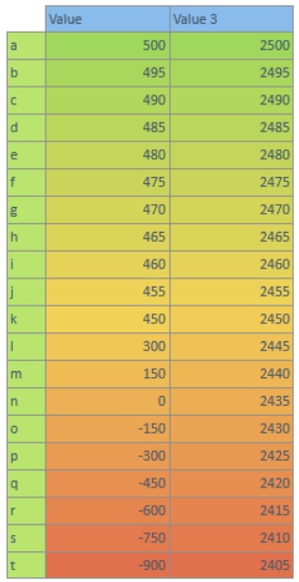
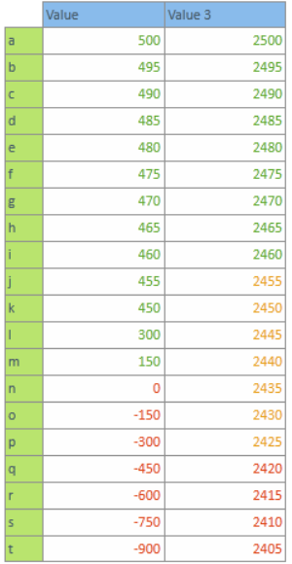
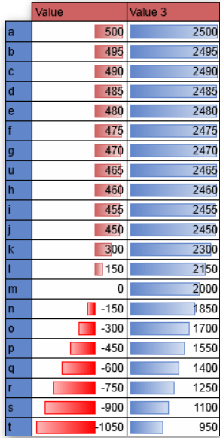
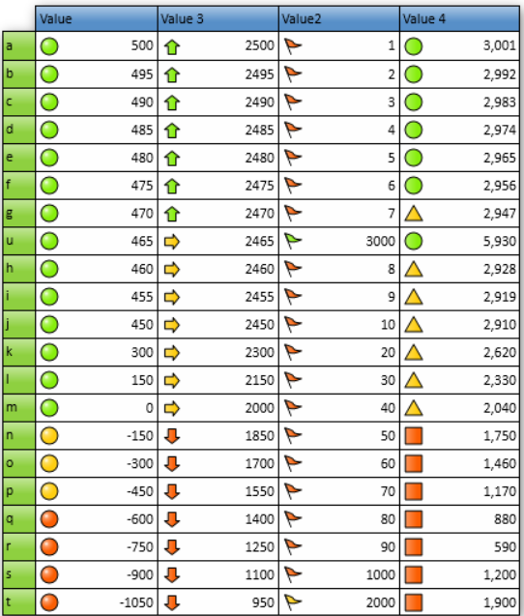
Q-1 How many types of conditions are available in conditional formatting on Excel?
◊ There are 5 types of conditional formatting visualizations available:
→ Background Color Shading (of cells)
→ Foreground Color Shading (of fonts)
→ Data Bars
→ Icons (which have 4 different image types)
→ Values

1- Background Color Shading (of cells) | 2- Foreground Color Shading (of fonts) | 3-Data Bars | 4- Icons (which have 4 different image types) | 5-Values

Q-2
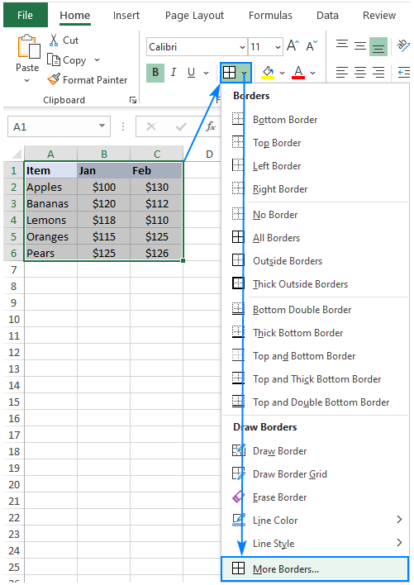
Q-2 How to insert border in Excel with Format Cells dialog?
◊ To insert a border via the Format Cells dialog, this is what you need to do:
→ Select one or more cells to which you'd like to add borders.
→ Open the Format Cells dialog box by doing one of the following:
• Click the down arrow next to the Borders button, and then click More Borders at the bottom of the drop-down list.
• Right click the selected cells and choose Format Cells… from the context menu.
• Press Ctrl+1 shortcut.

Q-3
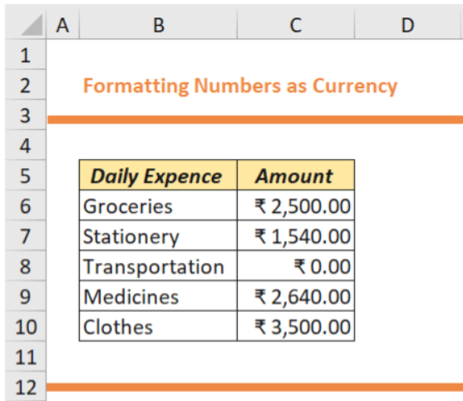
Q-3 How to Format Numbers as Currency in Excel?
This can be attained by using some simple steps as given below.

Step 1: Select the range of cells that you want to Format.
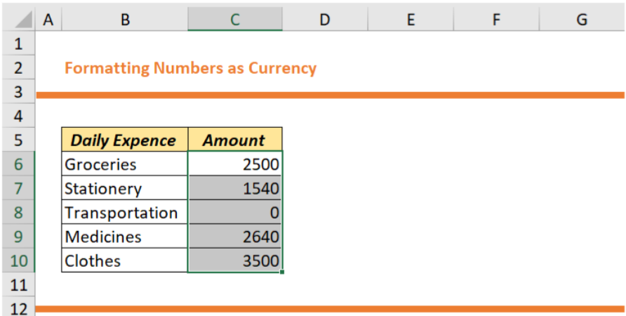

Step 2: After you select the required data, Go to Home tab >> Number group >> Click on the down arrow in the Number Format box.

Step 3: Now, Click on the Currency option from the given list.

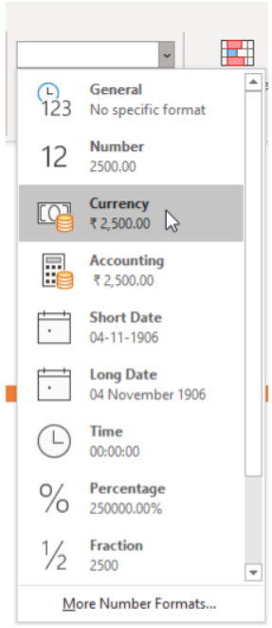

You will see that the currency symbol ( ₹ ) has appeared just before the first digit in the cell and the decimal points are aligned
 | Note: Shortcut key for formatting numbers as currency is Ctrl+Shift+4.

Q-4
Q-4 What are the steps to format numbers in Excel with the Percent style?
◊ To quickly apply percentage formatting to selected cells, click Percent Style Button image in the Number group on the Home tab, or press Ctrl+Shift+%.
If you want more control over the format, or you want to change other aspects of formatting for your selection, you can follow these steps.

Step 1 : On the Home tab, in the Number group, click the icon next to Number to display the Format Cells dialog box.

Step 2 : In the Format Cells dialog box, in the Category list, click Percentage.

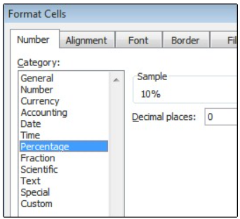

Step 3 : In the Decimal places box, enter the number of decimal places that you want to display. For example, if you want to see 10% instead of 10.00%, enter 0 in the Decimal places box.

